Pokyny – čítajte ako prvé
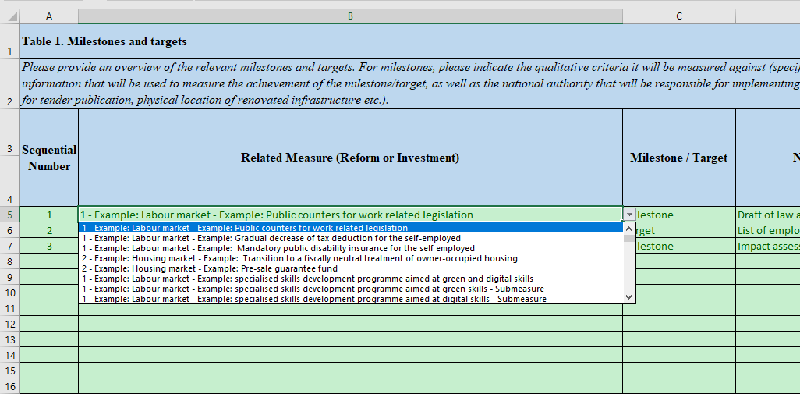
Všeobecné poznámky

Účelom tohto excelového súboru, ktorý tvorí prílohu usmernenia k RRF, je zhromaždiť tzv. "štruktúrované údaje" o plánoch RRF s ohľadom na budúcu transpozíciu aktualizácií členskými štátmi v rámci webovej aplikácie.

Preto je dôležité riadiť sa pokynmi a tak sa vyhnúť odosielaniu neplatných (neštruktúrovaných) informácií.

Hárky "Komponenty" a "Opatrenia" by sa mali vyplniť ako prvé, keďže sa na ne odkazuje v hárkoch T1->T4.

Hárok "Komponenty"
Tento hárok obsahuje iba 2 stĺpce: jeden s poradovým číslom/ID komponentu a so skráteným názvom komponentu (voľný text).
Je dôležité ponechať "0" ako poradové číslo "Celkového plánu", čo je špeciálny komponent používaný len v hárku "T3b Vplyv (kvantitatívny)".
Tento hárok by sa mal vyplniť ako prvý, keďže sa používa v hárku Opatrenia. Príklady by sa mali vymazať.

Hárok "Opatrenia"

Tento hárok má samostatné poradové číslo/ID každého opatrenia a mal by odkazovať na Komponenty prostredníctvom rolovacieho menu, nie prostredníctvom informácií kopírovaných z iných zdrojov.
Je dôležité ponechať "0" ako poradové číslo "Celkového plánu", čo je špeciálne Opatrenie používané len v hárku "T3b Vplyv (kvantitatívny)".
Skrátený názov každého opatrenia je v tomto hárku voľným textom. Príklady by sa mali vymazať.
V prípade potreby kódovať "čiastkové opatrenia" na použitie v iných záložkách musíte zakódovať základné opatrenie aj čiastkové opatrenie, a označiť čiastkové opatrenie v stĺpci E.

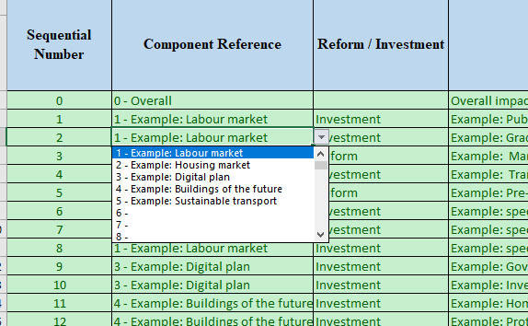
 | Poradové číslo | Odkaz na komponent | Reforma/Investícia |  | 1 - Príklad: Trh práce
 | 0 | 0 - Celkový |  |  | 2 - Príklad: Trh s nehnuteľnosťami
 | 1 |  |  |  | 3 - Príklad: Digitálny plán
 | 2 | 1 - Príklad: Trh práce |  |  | 4 - Príklad: Budovy budúcnosti
 | 3 |  |  |  | 5 - Príklad: Udržateľná doprava
 | 4
 | 5 |  |  |  | Reforma
 | 6 |  |  |  | Investícia
 | 7
 | 8
 | 9
 | 10
 | 11
 | 12

Hárky T1->T4
 |  |  | Tabuľka 1. Míľniky a ciele
Hárky T1 -> T4 obsahujú osobitné usmernenie, ako aj príklady, ktoré by sa mali vymazať. |  | Poradové číslo | Súvisiace opatrenia (reforma alebo investícia) | Míľnik/Cieľ
Každá z týchto záložiek obsahuje poradové číslo, ako aj rolovacie menu pre Súvisiace opatrenia, čo je zreťazením Komponentu a Opatrenia. |  | 1
Použitie tohto rolovacieho menu v hárkoch T1->T4 je povinné. |  | 2 |  |  |  | Míľnik
 |  | 3 |  |  |  | Cieľ
Hárok "T2 Ekológia, digitalizácia a náklady" je veľmi široký a má vyhradenú časť pre Ekológiu a digitalizáciu medzi stĺpcami Z a AF. Táto časť by mala vychádzať zo Súvisiacich opatrení kódovaných v stĺpci B. Stĺpce AE a AF sa počítajú vzorcom a nevyžadujú kódovanie. |  | 4
Hárok "T3b Vplyv (kvantitatívny)" obsahuje osobitnú položku "Celkový plán", ktorý by sa nemal vymazať, ale používať. |  | 5
Hárok "T4b Základné investície – zobrazenie" nevyžaduje kódovanie a slúži na vizualizáciu toho, čo je kódované v hárku "T4a - Základné investície – vstup". |  | 6
 |  | 7
 |  | 8
 |  | 9
 |  | 10 |  |  |  | 1 - Príklad: Trh práce - Príklad: Verejné registre pracovnoprávnych zákonov
 |  | 11 |  |  |  | 1 - Príklad: Trh práce - Príklad: Verejné registre pracovnoprávnych zákonov
 |  | 12 |  |  |  | 1 - Príklad: Trh práce - Príklad: Postupné znižovanie odpočtu dane v prípade SZČO
 |  | 13 |  |  |  | 1 - Príklad: Trh práce - Príklad: Povinné verejné invalidné poistenie v prípade SZČO
 |  | 14 |  |  |  | 2 - Príklad: Trh s nehnuteľnosťami - Príklad: Prechod na fiškálne neutrálny režim nehnuteľností používaných vlastníkmi
 |  | 15 |  |  |  | 2 - Príklad: Trh s nehnuteľnosťami - Príklad: Garančný fond pred predajom
 |  | 16 |  |  |  | 1 - Príklad: Trh práce - Príklad: Program rozvoja špecializovaných zručností so zameraním na ekologické a digitálne zručnosti
 |  | 17 |  |  |  | 1 - Príklad: Trh práce - Príklad: Program rozvoja špecializovaných zručností so zameraním na ekologické a digitálne zručnosti - čiastkové opatrenie
 |  |  |  |  |  | 1 - Príklad: Trh práce - Príklad: Program rozvoja špecializovaných zručností so zameraním na ekologické a digitálne zručnosti - čiastkové opatrenie

